Sheet1
Test case Name | Test case Description | Steps | Expected Result | Actual Result | Evidence -1 | Evidence -2
Testing Category Navigation from a | Category Landing Page with all the | 1)Open the Home Page | Category Landing page with all the | Category Landing page with all the
Category in Navigation Bar | products belonging to that category | 2)Click on Shop By Category and Click on any sub-category | products belonging to that category | products belonging to that category
 | should be displayed | 3)Check if products under that category appear of the page | should be displayed with product | is displayed with product name
 |  |  | name and price. | and price
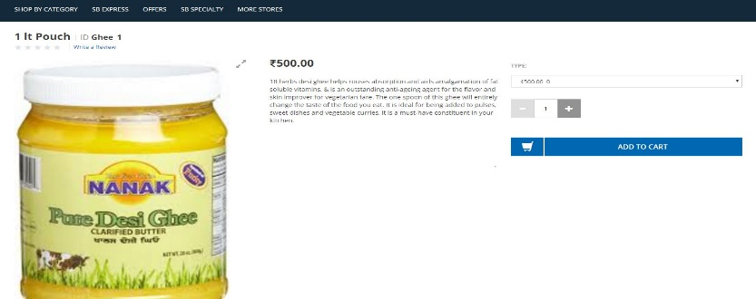
Testing Product displayed on the | On clicking any product on the Category | 1)Open the Home Page | On clicking any product on the Category | On clicking any product on the Category
Category Landing Page | landing page should redirect it to | 2)Click on Shop By Category and Click on any sub-category | landing page should redirect it to | landing page, redirects it to PDP page
 | PDP page of that product | 3)Check if products under that category appear of the page | PDP page of that product | of that product
 |  | 4)If appear, click on any product on that page
 |  | 5)Check if PDP page appears.

